Charts
 | Total
Accept | 78
Not Accept | 1111
Accept | 15
Not Accept | 1174
Accept | 80
Not Accept | 1109
Accept | 79
Not Accept | 1110
Accept | 86
Not Accept | 1103
Row Labels | Count of Acceptance |  |  | Row Labels | Sum of Amount
Campaign1 |  |  |  | Gold Products | 54856
Accept | 78 |  |  | Regular Products | 605713
Not Accept | 1111 |  |  | Grand Total | 660569
Campaign2
Accept | 15
Not Accept | 1174
Campaign3
Accept | 80
Not Accept | 1109
Campaign4
Accept | 79
Not Accept | 1110
Campaign5
Accept | 86
Not Accept | 1103
Grand Total | 5945

 | Complain | Not Complain
April | 1 | 87
August | 3 | 101
December |  | 92
February |  | 100
January | 5 | 102
July |  | 99
June |  | 92
March |  | 102
May |  | 104
November | 1 | 89
October |  | 117
September | 2 | 92
Count of Complain | Column Labels
Row Labels | Complain | Not Complain | Grand Total |  |  | Row Labels | Sum of No Of Purchases
April | 1 | 87 | 88 |  |  | Catalog | 5963
August | 3 | 101 | 104 |  |  | Store | 12970
December |  | 92 | 92 |  |  | Web | 9150
February |  | 100 | 100 |  |  | Grand Total | 28083
January | 5 | 102 | 107
July |  | 99 | 99
June |  | 92 | 92
March |  | 102 | 102
May |  | 104 | 104
November | 1 | 89 | 90
October |  | 117 | 117
September | 2 | 92 | 94
Grand Total | 12 | 1177 | 1189

Row Labels | Sum of No Of Purchases
Store | 12970
Web | 9150
Catalog | 5963 |  |  |  |  |  |  | Row Labels | Count of Response
Grand Total | 28083 |  |  |  |  | Row Labels | Sum of Amount | Not Response | 1906
 |  |  |  |  |  | Alone | 689 | Reponse | 334
 |  |  |  |  |  | YOLO | 764 | Grand Total | 2240
 |  |  |  |  |  | Absurd | 1977
 |  |  |  |  |  | Widow | 52518
 |  |  |  |  |  | Divorced | 130927
 |  |  |  |  |  | Single | 270122
 |  |  |  |  |  | Together | 327928
 |  |  |  |  |  | Married | 473454
 |  |  |  |  |  | Grand Total | 1258379

Row Labels | Sum of Amount
2n Cycle | 91376
Basic | 3184
Graduation | 641319
Master | 211412
PhD | 311088
Grand Total | 1258379

Sum of NumWebVisitsMonth
11909

Number Of Complains By Age
Row Labels | Count of Complain
28 | 2
29 | 5
30 | 3
31 | 5
32 | 13
33 | 15
34 | 18
35 | 30
36 | 29
37 | 27
38 | 42
39 | 32
40 | 38
41 | 42
42 | 45
43 | 39
44 | 39
45 | 53
46 | 77
47 | 52
48 | 89
49 | 83
50 | 69
51 | 74
52 | 79
53 | 87
54 | 77
55 | 71
56 | 51
57 | 44
58 | 50
59 | 74
60 | 42
61 | 45
62 | 44
63 | 36
64 | 49
65 | 51
66 | 53
67 | 43
68 | 55
69 | 49
70 | 50
71 | 35
72 | 52
73 | 43
74 | 29
75 | 30
76 | 21
77 | 16
78 | 16
79 | 8
80 | 7
81 | 7
83 | 1
84 | 1
124 | 1
125 | 1
131 | 1
Grand Total | 2240

Row Labels | Sum of Recency
28 | 105
29 | 258
30 | 95
31 | 269
32 | 597
33 | 690
34 | 747
35 | 1519
36 | 1536
37 | 1147
38 | 1855
39 | 1971
40 | 1920
41 | 1917
42 | 1949
43 | 1937
44 | 1714
45 | 2778
46 | 3866
47 | 2412
48 | 4470
49 | 3870
50 | 3619
51 | 3543
52 | 3741
53 | 4198
54 | 3206
55 | 3570
56 | 2524
57 | 2336
58 | 2467
59 | 3870
60 | 2517
61 | 2120
62 | 2240
63 | 1581
64 | 2444
65 | 2664
66 | 2669
67 | 2071
68 | 2813
69 | 2425
70 | 2261
71 | 2126
72 | 2574 | Row Labels | Count of Luxury Type
73 | 2434 | High | 434
74 | 1329 | Low | 2120
75 | 1234 | Medium | 1926
76 | 1081 | Grand Total | 4480
77 | 800
78 | 645
79 | 261
80 | 258
81 | 431
83 | 77
84 | 96
124 | 99
125 | 36
131 | 23
Grand Total | 110005

Row Labels | Sum of Amount
High | 312501
Low | 134019
Medium | 811859
Grand Total | 1258379

Total Amount By Products

Row Labels | Sum of Amount
Wines | 680816
Meat | 373968
Fish | 84057
Sweets | 60621
Fruits | 58917
Grand Total | 1258379

Row Labels | Count of Complain
Complain | 21
Not Complain | 2219
Grand Total | 2240

Row Labels
April
August
December
February
January
July
June
March
May
November
October
September

Charts2
 | Total
Accept | 144
Not Accept | 2096
Accept | 30
Not Accept | 2210
Accept | 163
Not Accept | 2077
Accept | 167
Not Accept | 2073
Accept | 163
Not Accept | 2077
Row Labels | Count of Acceptance
Campaign1
Accept | 144
Not Accept | 2096
Campaign2
Accept | 30
Not Accept | 2210
Campaign3
Accept | 163
Not Accept | 2077
Campaign4
Accept | 167
Not Accept | 2073
Campaign5
Accept | 163
Not Accept | 2077
Grand Total | 11200

Row Labels | Sum of Amount
Gold Products | 98609
Regular Products | 1159770
Grand Total | 1258379

Cover
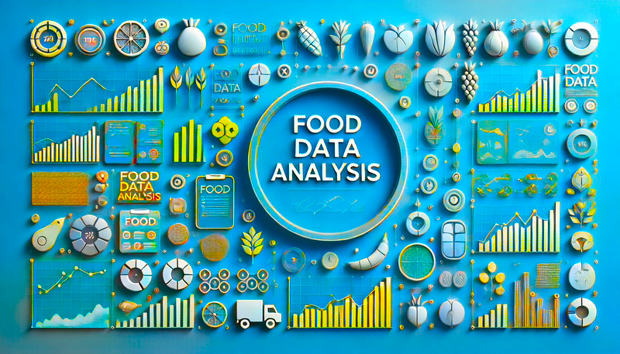

Dashboards

Overview Analysis

Detailed Analysis

Overview
Food Data Analysis
Cover

Number Of Purchases
Total Amount
Number Of Complains
Overview
28083
1258379
2240

Detailed

Education
Marital Status
Total Amount By Products
 | Total
Wines | 680816
Meat | 373968
Fish | 84057
Sweets | 60621
Fruits | 58917
Number Of Purchases By Purchase Type
 | Total
Store | 12970
Web | 9150
Catalog | 5963

Detailed
Food Data Analysis
Cover

Number Of Complains By Age
 | Total
28 | 2
29 | 5
30 | 3
31 | 5
32 | 13
33 | 15
34 | 18
35 | 30
36 | 29
37 | 27
38 | 42
39 | 32
40 | 38
41 | 42
42 | 45
43 | 39
44 | 39
45 | 53
46 | 77
47 | 52
48 | 89
49 | 83
50 | 69
51 | 74
52 | 79
53 | 87
54 | 77
55 | 71
56 | 51
57 | 44
58 | 50
59 | 74
60 | 42
61 | 45
62 | 44
63 | 36
64 | 49
65 | 51
66 | 53
67 | 43
68 | 55
69 | 49
70 | 50
71 | 35
72 | 52
73 | 43
74 | 29
75 | 30
76 | 21
77 | 16
...
Percentage Of Income For Each Income Category
 | Total
High | 312501
Low | 134019
Medium | 811859

Overview

Detailed

Percenatage Of Products For Each Luxury Type
 | Total
Gold Products | 98609
Regular Products | 1159770
Acceptance By Campaigns
 | Total
Accept | 144
Not Accept | 2096
Accept | 30
Not Accept | 2210
Accept | 163
Not Accept | 2077
Accept | 167
Not Accept | 2073
Accept | 163
Not Accept | 2077

